Trend
 |  |  |  |  |  |  | 2022 | 2023 | 2024 | 2025 | 2026 | 2027 | 2028 | 2029 | 2030 | 2031 | 2032 | 2033 | 2034 | 2035 | 2036 | 2037 | 2038 | 2039 | 2040 | 2041 | 2042 | 2043 | 2044 | 2045 | 2046 | 2047 | 2048 | 2049 | 2050
 |  |  |  |  |  |  | 0.2582 | 0.323 | 0.3878 | 0.4526 | 0.5174 | 0.5822 | 0.647 | 0.7118 | 0.7766 | 0.8414 | 0.9062 | 0.971 | 1.0358 | 1.1006 | 1.1654 | 1.2302 | 1.295 | 1.3598 | 1.4246 | 1.4894 | 1.5542 | 1.619 | 1.6838 | 1.7486 | 1.8134 | 1.8782 | 1.943 | 2.0078 | 2.0726
 |  |  |  |  |  |  | 6 | 7 | 8 | 9 | 10 | 11 | 12 | 13 | 14 | 15 | 16 | 17 | 18 | 19 | 20 | 21 | 22 | 23 | 24 | 25 | 26 | 27 | 28 | 29 | 30 | 31 | 32 | 33 | 34
 | 2016 | 2017 | 2018 | 2019 | 2020 | 2021 | 2022
Time series | 0 | 0.053426676492 | 0.025808671714 | 0.077784891165 | 0 | 0.2444946358 | 0.47969543147

zero order coefficient | -0.1306
first order coefficient | 0.0648

2021-2022
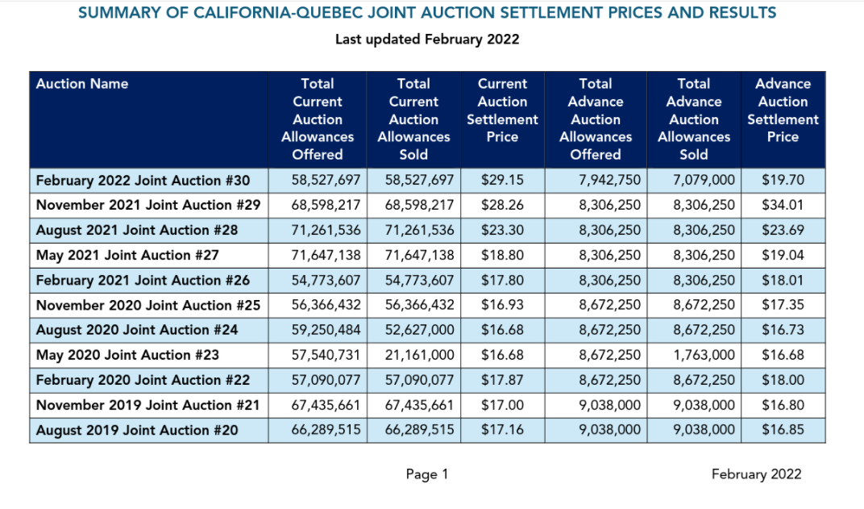
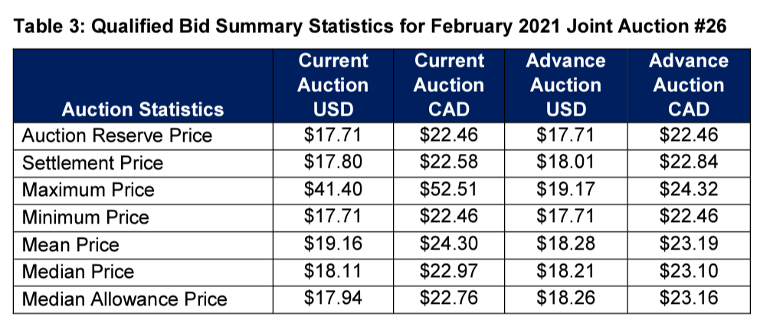
2021 | ANNUAL | 22.04 | 17.71 | 1.2444946358 | 0.2444946358

 |  | Settlement Price Current Vintage | Floor
2022 | Feb | 29.15 | 19.7 | 1.4796954315 | 0.47969543147

2021 | Nov | 28.26 | 17.71 | 1.5957086392 | 0.59570863919
 | Aug | 23.3 | 17.71 | 1.3156408809 | 0.31564088086
 | May | 18.8 | 17.71 | 1.0615471485
 | Feb | 17.8 | 17.71 | 1.0050818746

2020
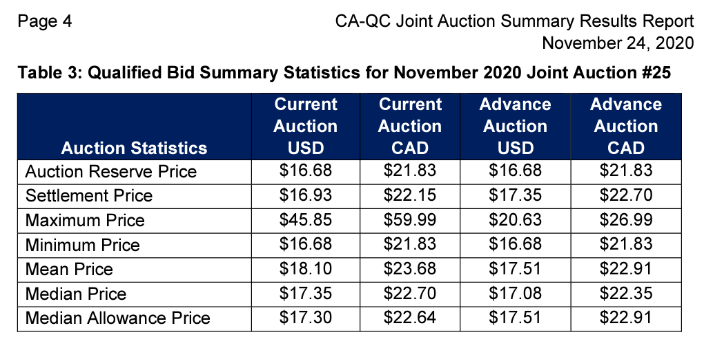
 | Average annual auction prices (nominal) | Auction reserve price
nominal | 17.0175 | 16.68
2012 $s | 15.096405852
 |  | Settlement price at auction | Floor price
2020 | Q1 | 17.78 | 16.68
 | Q2 | 16.68 | 16.68
 | Q3 | 16.68 | 16.68
 | Q4 | 16.93 | 16.68

2019
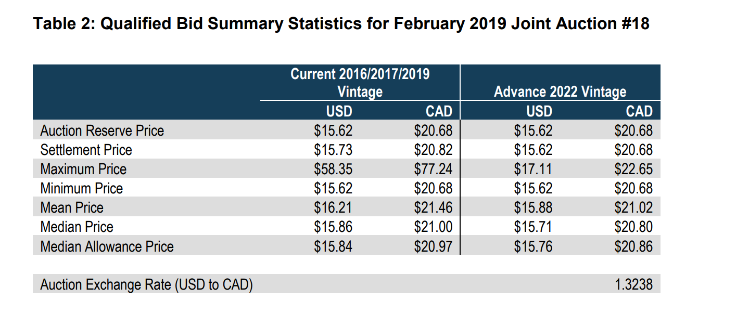
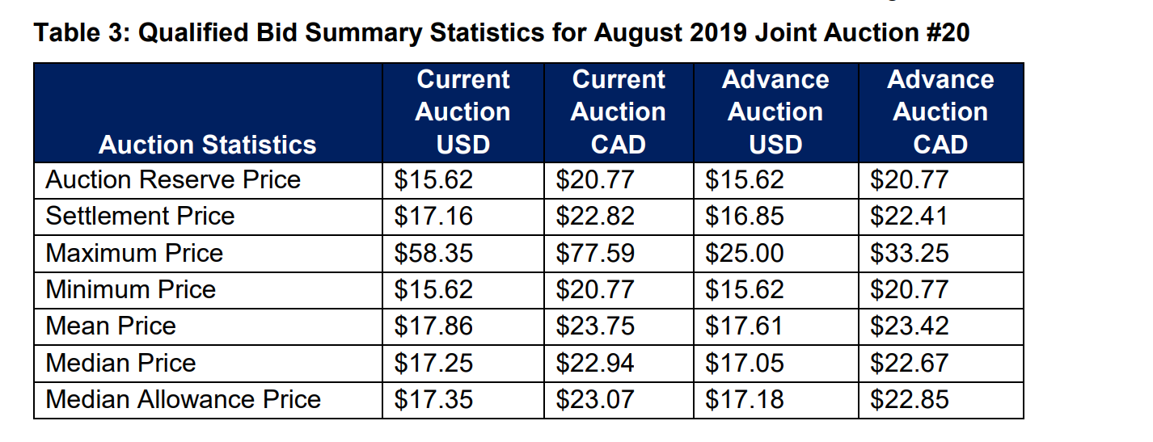
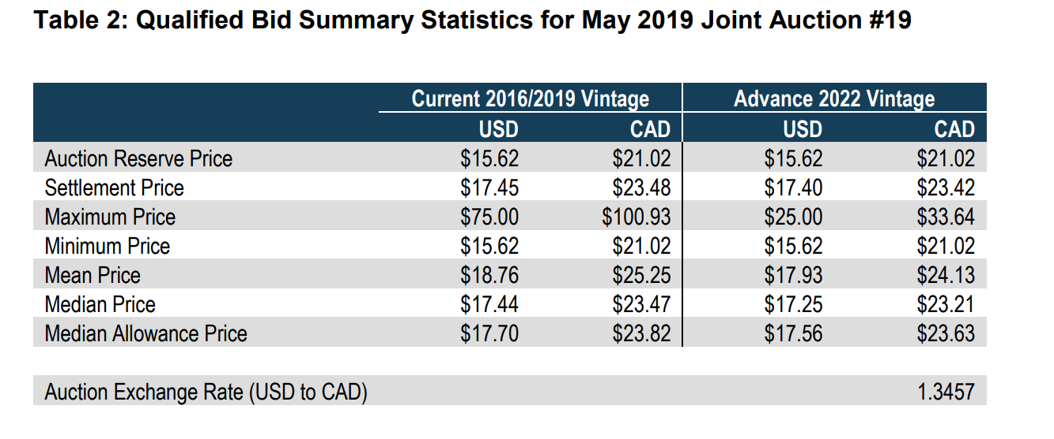
Average auction price | 16.835 | 2019 $s
 | 15.118752821 | 2012 $s
settlement % above reserve | 0.077784891165

Q1 | Q2 | Q3 | Q4
15.73 | 17.45 | 17.16 | 17

floor | 15.62

